Table 6.32
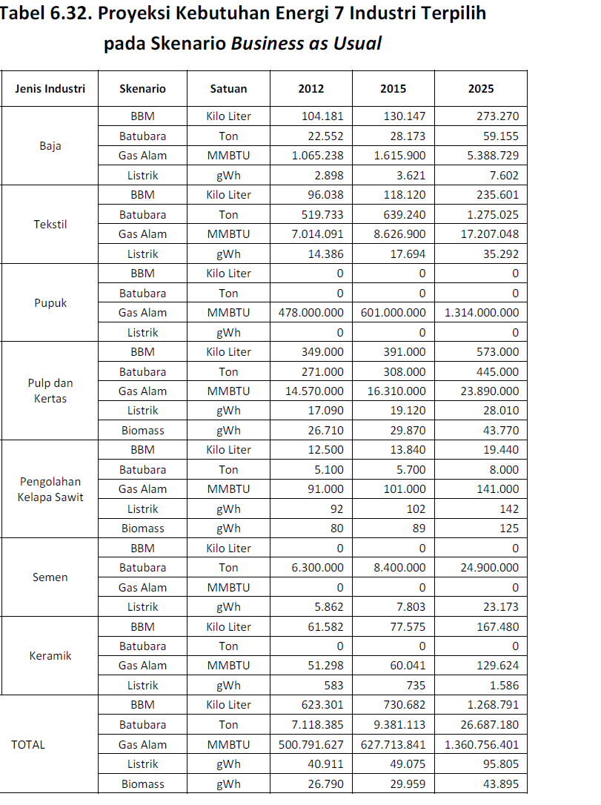
Tabel 6.32. Proyeksi Kebutuhan Energi 7 Industri Terpilih
pada Skenario Business as Usual
No. | Jenis Industri | Skenario | Satuan | 2012 | 2015 | 2025 | No. | Jenis Industri | Skenario | Satuan | 2012 | 2015 | 2025
1 | Steel | Fuel | Kilo Liter | 104,181 | 130,147 | 273,270 | 1 | Steel | Fuel | Kilo Liter | 3.78E+12 | 4.72E+12 | 9.92E+12
 |  | Coal | Ton | 22,552 | 28,173 | 59,155 |  |  | Coal | Ton | 6.26E+11 | 7.83E+11 | 1.64E+12
 |  | Natural gas | MMBTU | 1,065,238 | 1,615,900 | 5,388,729 |  |  | Natural gas | MMBTU | 1.07E+12 | 1.62E+12 | 5.39E+12
 |  | Electricity | gWh | 2,898 | 3,621 | 7,602 |  |  | Electricity | gWh | 9.89E+12 | 1.24E+13 | 2.59E+13
2 | Textile | Fuel | Kilo Liter | 96,038 | 118,120 | 235,601 | 2 | Textile | Fuel | Kilo Liter | 3.49E+12 | 4.29E+12 | 8.55E+12
 |  | Coal | Ton | 519,733 | 639,240 | 1,275,025 |  |  | Coal | Ton | 1.44E+13 | 1.78E+13 | 3.54E+13
 |  | Natural gas | MMBTU | 7,014,091 | 8,626,900 | 17,207,048 |  |  | Natural gas | MMBTU | 7.01E+12 | 8.63E+12 | 1.72E+13
 |  | Electricity | gWh | 14,386 | 17,694 | 35,292 |  |  | Electricity | gWh | 4.91E+13 | 6.04E+13 | 1.20E+14
3 | Fertilizer | Fuel | Kilo Liter | - | - | - | 3 | Fertilizer | Fuel | Kilo Liter | 0.00E+00 | 0.00E+00 | 0.00E+00
 |  | Coal | Ton | - | - | - |  |  | Coal | Ton | 0.00E+00 | 0.00E+00 | 0.00E+00
 |  | Natural gas | MMBTU | 478,000,000 | 601,000,000 | 1,314,000,000 |  |  | Natural gas | MMBTU | 4.78E+14 | 6.01E+14 | 1.31E+15
 |  | Electricity | gWh | - | - | - |  |  | Electricity | gWh | 0.00E+00 | 0.00E+00 | 0.00E+00
4 | Pulp and paper | Fuel | Kilo Liter | 349,000 | 391,000 | 573,000 | 4 | Pulp and paper | Fuel | Kilo Liter | 1.27E+13 | 1.42E+13 | 2.08E+13
 |  | Coal | Ton | 271,000 | 308,000 | 445,000 |  |  | Coal | Ton | 7.53E+12 | 8.56E+12 | 1.24E+13
 |  | Natural gas | MMBTU | 14,570,000 | 16,310,000 | 23,890,000 |  |  | Natural gas | MMBTU | 1.46E+13 | 1.63E+13 | 2.39E+13
 |  | Electricity | gWh | 17,090 | 19,120 | 28,010 |  |  | Electricity | gWh | 5.83E+13 | 6.52E+13 | 9.56E+13
 |  | Biomass | gWh | 26,710 | 29,870 | 43,770 |  |  | Biomass | gWh | 9.11E+13 | 1.02E+14 | 1.49E+14
5 | CPO | Fuel | Kilo Liter | 12,500 | 13,840 | 19,440 | 5 | CPO | Fuel | Kilo Liter | 4.54E+11 | 5.02E+11 | 7.06E+11
 |  | Coal | Ton | 5,100 | 5,700 | 8,000 |  |  | Coal | Ton | 1.42E+11 | 1.58E+11 | 2.22E+11
 |  | Natural gas | MMBTU | 91,000 | 101,000 | 141,000 |  |  | Natural gas | MMBTU | 9.10E+10 | 1.01E+11 | 1.41E+11
 |  | Electricity | gWh | 92 | 102 | 142 |  |  | Electricity | gWh | 3.14E+11 | 3.48E+11 | 4.85E+11
 |  | Biomass | gWh | 80 | 89 | 125 |  |  | Biomass | gWh | 2.73E+11 | 3.04E+11 | 4.27E+11
6 | Cement | Fuel | Kilo Liter | - | - | - | 6 | Cement | Fuel | Kilo Liter | 0.00E+00 | 0.00E+00 | 0.00E+00
 |  | Coal | Ton | 6,300,000 | 8,400,000 | 24,900,000 |  |  | Coal | Ton | 1.75E+14 | 2.33E+14 | 6.92E+14
 |  | Natural gas | MMBTU | - | - | - |  |  | Natural gas | MMBTU | 0.00E+00 | 0.00E+00 | 0.00E+00
 |  | Electricity | gWh | 5,862 | 7,803 | 23,173 |  |  | Electricity | gWh | 2.00E+13 | 2.66E+13 | 7.91E+13
7 | Ceramic | Fuel | Kilo Liter | 61,582 | 77,575 | 167,480 | 7 | Ceramic | Fuel | Kilo Liter | 2.23E+12 | 2.82E+12 | 6.08E+12
 |  | Coal | Ton | - | - | - |  |  | Coal | Ton | 0.00E+00 | 0.00E+00 | 0.00E+00
 |  | Natural gas | MMBTU | 51,298 | 60,041 | 129,624 |  |  | Natural gas | MMBTU | 5.13E+10 | 6.00E+10 | 1.30E+11
 |  | Electricity | gWh | 583 | 735 | 1,586 |  |  | Electricity | gWh | 1.99E+12 | 2.51E+12 | 5.41E+12
TOTAL |  | Fuel | Kilo Liter | 623,301 | 730,682 | 1,268,791 | TOTAL |  | Fuel | Kilo Liter | 2.26E+13 | 2.65E+13 | 4.60E+13
 |  | Coal | Ton | 7,118,385 | 9,381,113 | 26,687,180 |  |  | Coal | Ton | 1.98E+14 | 2.61E+14 | 7.41E+14
 |  | Natural gas | MMBTU | 500,791,627 | 627,713,841 | 1,360,756,401 |  |  | Natural gas | MMBTU | 5.01E+14 | 6.28E+14 | 1.36E+15
 |  | Electricity | gWh | 40,911 | 49,075 | 95,805 |  |  | Electricity | gWh | 1.40E+14 | 1.67E+14 | 3.27E+14
 |  | Biomass | gWh | 26,790 | 29,959 | 43,895 |  |  | Biomass | gWh | 9.14E+13 | 1.02E+14 | 1.50E+14
Sumber: Masing-masing Asosiasi Industri, diolah INDEF (2012).

36292213.532 | kl to BTU | kilo liter
27778245 | ton to BTU | ton
1000000 | MMBTU to BTU | mmbtu
3412141630 | gWh to BTU | gwh

